Login scenarios
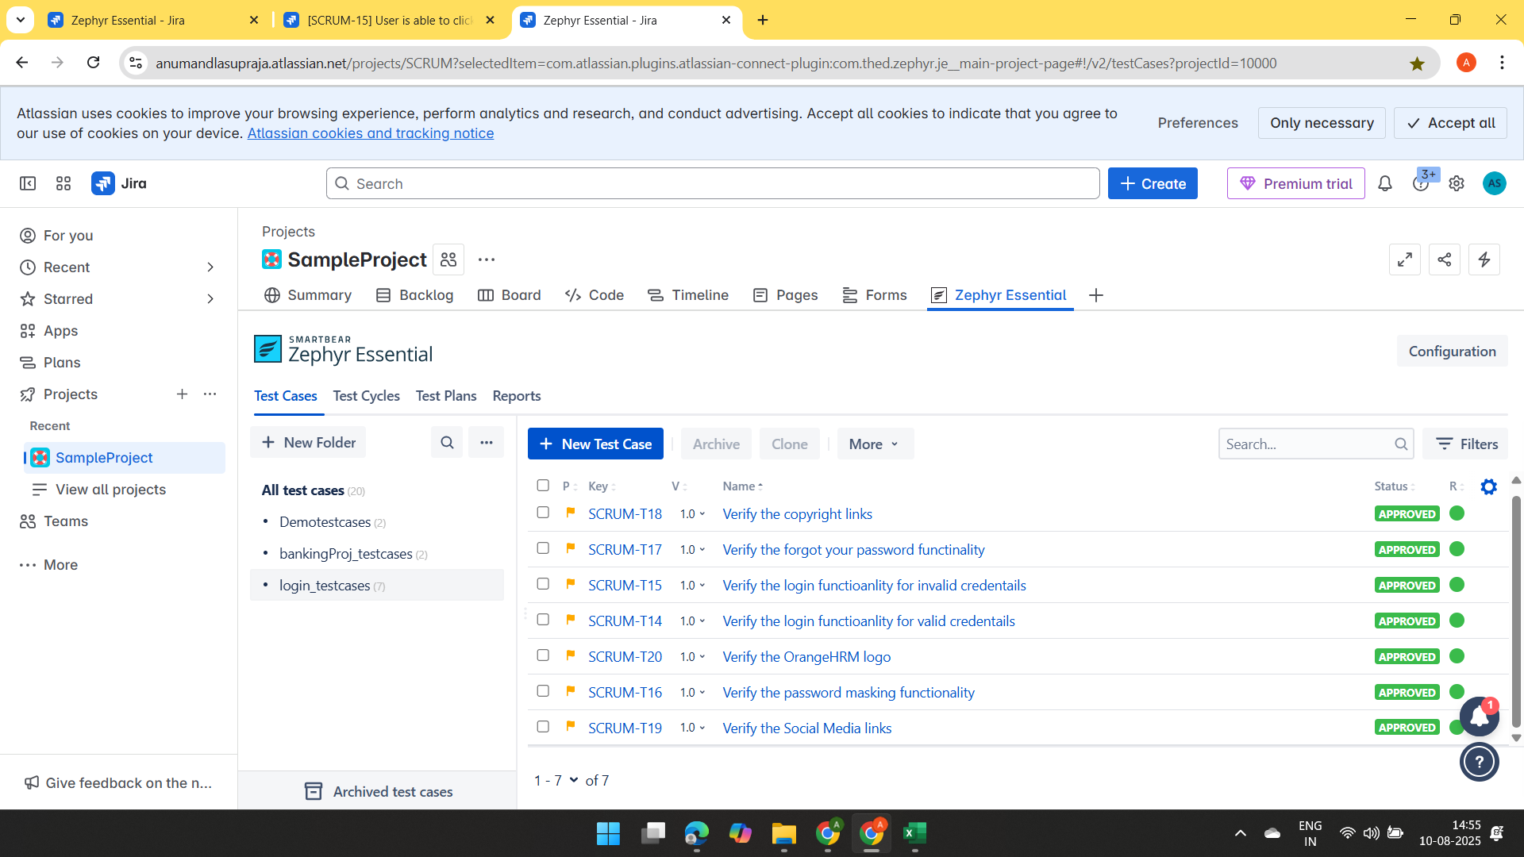
Testcase ID | Testcase Description | Feature | Test steps | Test data | Expected results | Actual results
 |  |  |  | https://opensource-demo.orangehrmlive.com/web/index.php/auth/login
TC_01 | Verify the login functioanlity for valid credentails | Login | 1. User enters valid username | Admin | User should be able to enter the username | User is able to enter the username
 |  |  | 2. User enters valid password | admin123 | User should be able to enter the password | User is able to enter the password
 |  |  | 3. User clicks on login button |  | User is able to click on login button and navigate to home page | User is on the home page

 |  |  | Invalid username
TC_02 | Verify the login functioanlity for invalid credentails | Login | 1. User enters invalid username | Admin^&^& | User should be able to enter the username | User is able to enter the username
 |  |  | 2. User enters valid password | admin123 | User should be able to enter the password | User is able to enter the password
 |  |  | 3. User clicks on login button |  | User is able to click on login button but views a error message stating "Invalid username" | User is on the login page only
 |  |  | Invalid password
 |  |  | 1. User enters valid username | Admin | User should be able to enter the username | User is able to enter the username
 |  |  | 2. User enters invalid password | admin123&&* | User should be able to enter the password | User is able to enter the password
 |  |  | 3. User clicks on login button |  | User is able to click on login button but views a error message stating "Invalid password" | User is on the login page only

TC_03 | Verify the password masking functionality | Login | 1.User navigate to login page |  | User should be able to open login page | User able to open login page
 |  |  | 2.User enters the password | ........ | Password input should be masked | Password is displayed in masked characters

TC_04 | Verify the forgot your password functinality | Login | 1. User enters the Click on "forgot your password"? Link |  | user should be able to click forgot password | useris able to click on forgot password
 |  |  | Enter the registered email/username | Admin | User should be able to enter the email | User able to enter the email
 |  |  | Click on Reset Password and submit button | admin$%33 | User get the password recovered successful | Password recovery screen is displayed

TC_05 | Verify the copyright links | Footer | 1.Scroll the bottom login page |  | User should be able to view the login page | User be able to view login page
 |  |  | 2.Click on copyright link | https://www.orangehrm.com/ | Link will be open in new tab | Get the information regarding the link

TC_06 | Verify the Social Media links | Footer | 1.Scroll the bottom login page |  | User should be able to view the login page | User able to view the login page
 |  |  | 2. Click the all links related to social media | https://www.linkedin.com/company/orangehrm/ | Each icon should be navigate to the social media page. | All links redirect to social media links correctly
 |  |  |  | https://www.facebook.com/OrangeHRM/
 |  |  |  | https://x.com/orangehrm?lang=en
 |  |  |  | https://www.youtube.com/c/OrangeHRMInc

TC_07 | Verify the OrangeHRM logo | Header | 1.Navigate to Login page |  | User should be able to view the login page | User able to view the login page
 |  |  | 2.Observe the logo on top left corner |  | User should be able to view the logo | User r be able to view the logo

Jira link | https://anumandlasupraja.atlassian.net/projects/SCRUM?selectedItem=com.atlassian.plugins.atlassian-connect-plugin:com.thed.zephyr.je__main-project-page#!/v2/testCases?projectId=10000

in Jira link: | TestCases | TestCycles
 | login_testcases | login_testcases

